Total Revenue
Row Labels | Total Revenue
Chocolate Chip | 1691K
Fortune Cookie | 154K
Total Revenue:
Oatmeal Raisin | 777K
Snickerdoodle | 587K
Sugar | 506K
White Chocolate Macadamia Nut | 975K
Grand Total | 27019K

Dashboard
Sales Dashboard for Cookies
All revenue is in $

Distribution by Cutomers
 | Total
ABC Groceries | 221023
ACME Bites | 329676.5
Park & Shop Convenience Stores | 179447.5
Tres Delicious | 128769
Wholesome Foods | 266890
Distribution of Cookies
 | Total
Chocolate Chip | 338239.5
Fortune Cookie | 154198
Oatmeal Raisin | 155315
Snickerdoodle | 146846
Sugar | 168783
White Chocolate Macadamia Nut | 162424.5
Total Number of Cookies Sold

1125806
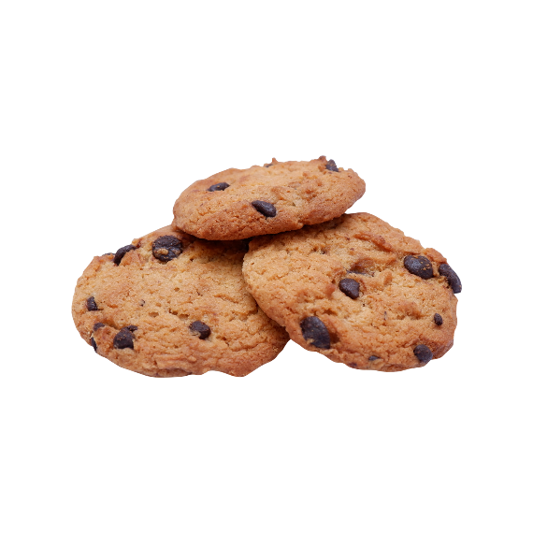

Unit Sold every Month
 | Total
Sep | 51K
Oct | 96K
Nov | 65K
Dec | 53K
Jan | 68K
Feb | 55K
Mar | 53K
Apr | 79K
May | 52K
Jun | 103K
Jul | 69K
Aug | 61K
Sep | 57K
Oct | 105K
Nov | 56K
Dec | 102K
Total Revenue per Cookies
 | Total
Chocolate Chip | 1691K
Fortune Cookie | 154K
Oatmeal Raisin | 777K
Snickerdoodle | 587K
Sugar | 506K
White Chocolate Macadamia Nut | 975K

Total Revenue Generated

27019344

